F&T1 - KPIs
 |  |  |  |  |  |  |  | for chart only
Report | # of Funders | # Direct Awards | % growth vs. previous report | Direct (real terms) | % growth vs. previous report | Indirect (real terms) | Total (real terms) | HRAF organisations | Non-HRAF organisations
2004/05 | (12)[2] | 9901 | 0.0% | £1.37bn | n/a | n/a | £1.37bn | £1.37bn
2009/10 | 12 | 11482 | 16.0% | £2.05bn | 49.1% | £1.04bn | £3.08bn | £2.05bn
2014 (all) | 64 | 14934 | 30.1% | £2.33bn | 13.7% | £1.13bn | £3.45bn | £2.18bn | £0.15bn
2018 (all) | 123 | 18308 | 22.6% | £2.77bn | 19.0% | £1.51bn | £4.28bn | £2.34bn | £0.43bn
2022 (HRAF) | 12 | 12675 | -9.9% | £2.38bn | 1.4% | £1.08bn | £3.34bn
2022 (all) | 152 | 18023 | -1.6% | £2.79bn | 0.8% | £1.38bn | £4.06bn | £2.38bn | £0.42bn

 | HRAF organisations | Non-HRAF organisations
2004/05 | £1.37bn
2009/10 | £2.05bn
2014 (all) | £2.18bn | £0.15bn
2018 (all) | £2.34bn | £0.43bn
2022 (all) | £2.38bn | £0.42bn

F&T2 - Total R&D
Performing Sector | 2018 Estimate |  | 2022 Estimate |  | Difference
 | Spend (£bn) (real terms) | % of total | Spend (£bn) | % of total | Spend (£bn) | %
Business | £4.69bn | 50.0% | £5.01bn | 49.5% | £0.32bn | -0.6%
University | £3.41bn | 36.3% | £3.64bn | 35.9% | £0.23bn | -0.4%
Public Sector Research Institutes | £0.66bn | 7.0% | £0.83bn | 8.2% | £0.18bn | 1.2%
Private Non Profit | £0.62bn | 6.7% | £0.65bn | 6.4% | £0.03bn | -0.2%
TOTAL | £9.38bn | 100.0% | £10.13bn | 100.0% | £0.75bn | -

F&T3 - RA 22
Research Activity Group | #Awards | Award Value | % Total
1 Underpinning | 2,531 | £455m | 16.3%
2 Aetiology | 5,691 | £787m | 28.3%
3 Prevention | 937 | £200m | 7.1%
4 Detection and Diagnosis | 2,241 | £323m | 11.6%
5 Treatment Development | 2,203 | £334m | 12.0%
6 Treatment Evaluation | 1,802 | £323m | 11.6%
7 Disease Management | 1,238 | £143m | 5.1%
8 Health Services | 1,379 | £227m | 8.1%
Grand Total | 18,023 | £2.79bn | 100.0%

F&T4 - RA 04-22
Research Activity Group | 2004/05 |  | 2009/10 | 2014 | 2018 | 2022 |  | Difference vs. 04/05
 | Value | % | % | % | % | Value | % | Value | %
1 Underpinning | £462,072,378 | 33.6% | 27.6% | 22.7% | 21.7% | £455,396,039 | 16.3% | -£6,676,339 | -17.3%
2 Aetiology | £476,684,272 | 34.7% | 31.8% | 29.3% | 30.6% | £787,165,526 | 28.2% | £310,481,254 | -6.5%
3 Prevention | £34,086,897 | 2.5% | 3.7% | 5.2% | 5.9% | £199,504,293 | 7.1% | £165,417,396 | 4.7%
4 Detection and Diagnosis | £72,343,913 | 5.3% | 7.3% | 10.2% | 10.5% | £323,472,742 | 11.6% | £251,128,828 | 6.3%
5 Treatment Development | £118,342,903 | 8.6% | 10.7% | 13.0% | 11.9% | £334,100,138 | 12.0% | £215,757,235 | 3.4%
6 Treatment Evaluation | £113,932,390 | 8.3% | 8.5% | 9.7% | 9.7% | £323,263,734 | 11.6% | £209,331,344 | 3.3%
7 Disease Management | £31,903,908 | 2.3% | 3.2% | 4.0% | 4.0% | £142,713,262 | 5.1% | £110,809,353 | 2.8%
8 Health Services | £64,621,986 | 4.7% | 7.1% | 5.8% | 5.6% | £227,102,426 | 8.1% | £162,480,440 | 3.4%
GRAND TOTAL | £1,373,988,648 | 100.0% | 100.0% | 100.0% | 100.0% | £2,792,718,159 | 100.0% | £1,396,228,815 | 0.0%

F&T5 - HC 22
 | 2022 (All) |  |  | SORTED BY NAME FOR TABLE, BUT BY % FOR FIGURE
Health Category | #Awards | Award Value | % Total
Disputed aetiology and other | 77 | £7.0m | 0.3%
Ear | 90 | £12.5m | 0.4%
Skin | 134 | £13.1m | 0.5%
Congenital Disorders | 111 | £13.9m | 0.5%
Blood | 110 | £17.8m | 0.6%
Stroke | 229 | £26.5m | 0.9%
Renal and Urogenital | 226 | £26.9m | 1.0%
Injuries and Accidents | 147 | £27.4m | 1.0%
Eye | 264 | £30.2m | 1.1%
Musculoskeletal | 534 | £59.2m | 2.1%
Oral and Gastrointestinal | 464 | £61.6m | 2.2%
Reproductive Health and Childbirth | 450 | £68.4m | 2.4%
Respiratory | 369 | £70.5m | 2.5%
Metabolic and Endocrine | 536 | £71.3m | 2.6%
Inflammatory and Immune System | 679 | £96.3m | 3.4%
Cardiovascular | 1,684 | £164.3m | 5.9%
Mental Health | 1,275 | £187.4m | 6.7%
Neurological | 1,873 | £247.9m | 8.9%
Infection | 2,216 | £429.7m | 15.4%
Cancer and neoplasms | 3,085 | £469.3m | 16.8%
Generic Health Relevance | 3,470 | £691.5m | 24.8%
TOTAL | 18,023 | £2.79bn | 100%

F&T6 - HC 04-22
Health Category | 2004/05 |  | 2009/10 | 2014 | 2018 | 2022 |  | Differences
 | Value | % | % | % | % | Value | % | vs. 04/05 | vs. 2018
Blood | £13.8m | 1.0% | 0.8% | 0.7% | 0.5% | £17.8m | 0.6% | -0.4% | 0.2%
Cancer and neoplasms | £278.6m | 20.3% | 19.6% | 19.9% | 18.9% | £469.3m | 16.8% | -3.5% | -2.1%
Cardiovascular | £96.3m | 7.0% | 7.2% | 6.8% | 6.1% | £164.3m | 5.9% | -1.1% | -0.2%
Congenital Disorders | £9.9m | 0.7% | 0.4% | 0.7% | 0.5% | £13.9m | 0.5% | -0.2% | 0.0%
Disputed aetiology and other | £2.4m | 0.2% | 1.0% | 0.7% | 0.4% | £7.0m | 0.3% | 0.1% | -0.2%
Ear | £17.3m | 1.3% | 0.3% | 0.6% | 0.4% | £12.5m | 0.4% | -0.8% | 0.1%
Eye | £12.0m | 0.9% | 0.9% | 1.1% | 1.3% | £30.2m | 1.1% | 0.2% | -0.2%
Generic Health Relevance | £346.2m | 25.2% | 24.2% | 23.6% | 24.4% | £691.5m | 24.8% | -0.4% | 0.3%
Infection | £124.1m | 9.0% | 10.8% | 11.2% | 13.5% | £429.7m | 15.4% | 6.4% | 1.9%
Inflammatory and Immune System | £80.7m | 5.9% | 4.9% | 4.2% | 3.9% | £96.3m | 3.4% | -2.4% | -0.4%
Injuries and Accidents | £3.2m | 0.2% | 0.4% | 0.5% | 0.7% | £27.4m | 1.0% | 0.8% | 0.3%
Mental Health | £58.8m | 4.3% | 5.5% | 5.5% | 6.1% | £187.4m | 6.7% | 2.4% | 0.7%
Metabolic and Endocrine | £39.4m | 2.9% | 2.8% | 3.0% | 3.0% | £71.3m | 2.6% | -0.3% | -0.5%
Musculoskeletal | £41.6m | 3.0% | 2.8% | 2.9% | 2.2% | £59.2m | 2.1% | -0.9% | -0.1%
Neurological | £158.7m | 11.6% | 9.8% | 9.6% | 9.7% | £247.9m | 8.9% | -2.7% | -0.8%
Oral and Gastrointestinal | £19.3m | 1.4% | 1.8% | 1.9% | 1.9% | £61.6m | 2.2% | 0.8% | 0.3%
Renal and Urogenital | £12.0m | 0.9% | 0.8% | 1.0% | 1.0% | £26.9m | 1.0% | 0.1% | 0.0%
Reproductive Health and Childbirth | £27.9m | 2.0% | 2.5% | 2.4% | 2.1% | £68.4m | 2.4% | 0.4% | 0.3%
Respiratory | £13.0m | 0.9% | 1.7% | 1.7% | 1.8% | £70.5m | 2.5% | 1.6% | 0.7%
Skin | £6.6m | 0.5% | 0.5% | 0.7% | 0.5% | £13.1m | 0.5% | 0.0% | -0.1%
Stroke | £12.2m | 0.9% | 1.3% | 1.4% | 1.2% | £26.5m | 0.9% | 0.1% | -0.2%
TOTAL | £1.37bn | 100% | 100% | 100% | 100% | £2.79bn | 100%

F7 - DALY
Mapped Health Category | UK DALY rate (2019) | % UKHRA2022 total spend
Blood / Cardiovascular / Stroke | 13.1% | 7.47%
Cancer | 17.6% | 16.80%
Congenital Disorders | 1.0% | 0.50%
Ear / Eye | 4.2% | 1.53%
Infection | 4.0% | 15.39%
Inflammatory and immune system | 0.5% | 3.45%
Injuries and Accidents | 5.8% | 0.98%
Mental Health | 12.3% | 6.72%
Metabolic and Endocrine | 6.0% | 2.55%
Musculoskeletal | 7.5% | 2.12%
Neurological | 10.0% | 8.88%
Oral and Gastrointestinal | 5.9% | 2.21%
Renal and Urogenital | 3.1% | 0.96%
Reproductive Health and Childbirth | 1.4% | 2.45%
Respiratory | 6.7% | 2.52%
Skin | 0.9% | 0.47%
TOTAL | 100.00% | 74.99%

F8-Map
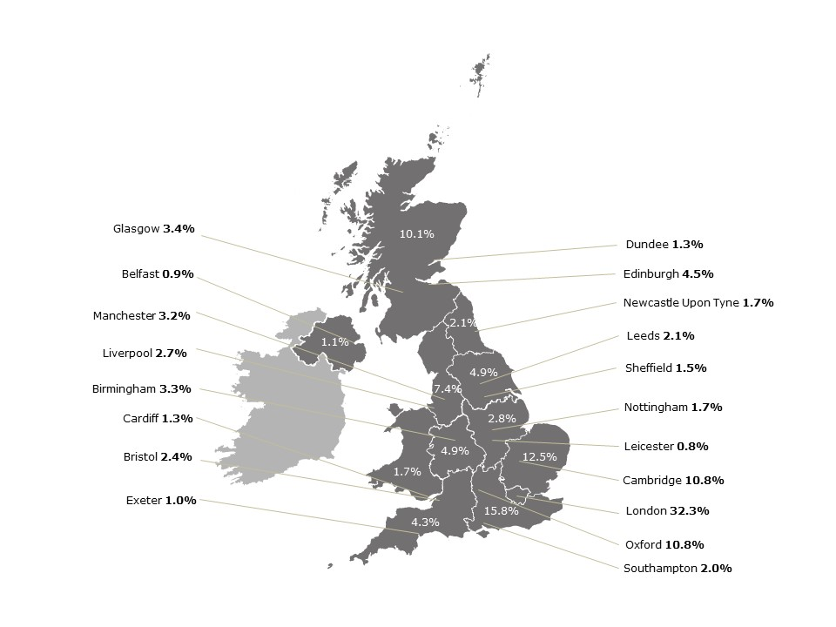

F9 - Regions
ITL1 Region | 2004/05 | 2009/10 | 2014 | 2018 | 2022
East Midlands | 4.41% | 4.09% | 3.70% | 2.78% | 2.79%
East of England | 12.42% | 13.04% | 12.83% | 14.34% | 12.47%
London | 33.45% | 33.36% | 32.07% | 31.84% | 32.26%
North East | 1.70% | 2.37% | 2.85% | 2.45% | 2.13%
North West | 6.41% | 6.60% | 6.06% | 6.53% | 7.44%
Northern Ireland | 1.19% | 1.07% | 0.85% | 1.02% | 1.08%
Scotland | 13.00% | 11.53% | 11.76% | 11.34% | 10.10%
South East | 14.33% | 13.07% | 15.79% | 14.86% | 15.78%
South West | 2.84% | 3.13% | 3.71% | 3.83% | 4.34%
Wales | 1.67% | 2.72% | 2.46% | 2.38% | 1.74%
West Midlands | 2.76% | 3.59% | 3.36% | 4.08% | 4.93%
Yorkshire and The Humber | 5.70% | 4.31% | 4.54% | 4.56% | 4.92%
GRAND TOTAL | 99.9% | 98.9% | 100.0% | 100.0% | 100.0%

F10 - Types RA
Research Activity Group | Health administrations | UK Research and Innovation (UKRI) | Charities & not-for-profit | Other Public/Professional
1 Underpinning | 0.1% | 8.1% | 8.0% | 0.1%
2 Aetiology | 1.7% | 13.1% | 12.9% | 0.5%
3 Prevention | 3.0% | 3.0% | 1.0% | 0.1%
4 Detection and Diagnosis | 2.3% | 5.0% | 4.1% | 0.2%
5 Treatment Development | 1.0% | 5.2% | 5.6% | 0.1%
6 Treatment Evaluation | 6.9% | 2.6% | 2.0% | 0.0%
7 Disease Management | 3.1% | 1.3% | 0.6% | 0.0%
8 Health Services | 4.6% | 2.0% | 1.5% | 0.1%
Grand Total | 22.7% | 40.4% | 35.7% | 1.2%

F10 - Types HC
 | Health administrations |  | UK Research and Innovation (UKRI) |  | Charities and not-for-profit |  | Other Public/Professional |  | Total
Health Category | Spend (£m) | % | Spend (£m) | % | Spend (£m) | % | Spend (£m) | % | Spend (£m)
Generic health relevance | £112m | 16% | £368m | 53% | £205.1m | 30% | £6.5m | 1% | £691.5m
Cancer and neoplasms | £48.2m | 10% | £98m | 21% | £321.3m | 68% | £1.9m | 0% | £469.3m
Infection | £128m | 30% | £181m | 42% | £112m | 26% | £9.1m | 2% | £429.7m
Neurological | £32.1m | 13% | £124.5m | 50% | £88.8m | 36% | £2.6m | 1% | £247.9m
Mental health | £79m | 42% | £66m | 35% | £39.9m | 21% | £2.8m | 2% | £187.4m
Cardiovascular | £31m | 19% | £27.5m | 17% | £104.4m | 64% | £0.9m | 1% | £164.3m
Inflammatory and immune system | £11m | 12% | £43m | 45% | £41m | 43% | £1.1m | 1% | £96.3m
Metabolic and endocrine | £20m | 28% | £37m | 51% | £14.8m | 21% | £0.4m | 1% | £71.3m
Respiratory | £25m | 35% | £38m | 54% | £6.2m | 9% | £1.4m | 2% | £70.5m
Reproductive health and childbirth | £32m | 46% | £25.8m | 38% | £10.4m | 15% | £0.6m | 1% | £68.4m
Oral and gastrointestinal | £24m | 39% | £28.7m | 47% | £8.5m | 14% | £0.4m | 1% | £61.6m
Musculoskeletal | £18m | 30% | £24m | 41% | £13.4m | 23% | £3.9m | 7% | £59.2m
Eye | £7.4m | 24% | £14.6m | 48% | £8m | 26% | £0.2m | 1% | £30.2m
Injuries and accidents | £19m | 69% | £5m | 18% | £3.3m | 12% | £0.0m | 0% | £27.4m
Renal and urogenital | £13m | 48% | £10m | 36% | £4.2m | 16% | £0.1m | 0% | £26.9m
Stroke | £13m | 49% | £9m | 33% | £4.7m | 18% | £0.1m | 0% | £26.5m
Blood | £4m | 23% | £10m | 58% | £3.3m | 19% | £0.0m | 0% | £17.8m
Congenital disorders | £3.6m | 26% | £6.8m | 49% | £3.4m | 25% | £0.0m | 0% | £13.9m
Skin | £8m | 61% | £3m | 23% | £1.8m | 14% | £0.2m | 1% | £13.1m
Ear | £2.9m | 23% | £7m | 56% | £2.5m | 20% | £0.1m | 1% | £12.5m
Disputed Aetiology and Other | £4m | 57% | £2m | 35% | £0.3m | 4% | £0.3m | 5% | £7m

Grand Total | £635m | 700.9% | £1128m | 851.0% | £997m | 521.3% | £33m | 26.7% | £2.79bn

A3-RAs
 | 2022 (non-HRAF) |  | 2022 (HRAF) |  | 2022 (All) |  | Difference
Research Activity Group | Award Value | % Total | Award Value | % Total | Award Value | % Total | All vs HRAF | HRAF vs Non
1 Underpinning | £43m | 10.4% | £412m | 17.3% | £455m | 16.3% | -1.0% | 7.0%
2 Aetiology | £111m | 26.6% | £677m | 28.5% | £787m | 28.2% | -0.3% | 2.0%
3 Prevention | £29m | 7.0% | £170m | 7.2% | £200m | 7.1% | 0.0% | 0.0%
4 Detection and Diagnosis | £72m | 17.3% | £252m | 10.6% | £323m | 11.6% | 1.0% | -6.7%
5 Treatment Development | £81m | 19.4% | £253m | 10.7% | £334m | 12.0% | 1.3% | -8.7%
6 Treatment Evaluation | £24m | 5.7% | £300m | 12.6% | £323m | 11.6% | -1.0% | 6.9%
7 Disease Management | £31m | 7.5% | £112m | 4.7% | £143m | 5.1% | 0.4% | -2.8%
8 Health Services | £25m | 6.1% | £202m | 8.5% | £227m | 8.1% | -0.3% | 2.3%
Grand Total | £416m | 100% | £2.38bn | 100% | £2.79bn | 100% | 0.0% | 0.0%

A3-HCs
 | 2022 (non-HRAF) |  | 2022 (HRAF) |  | 2022 (All) |  | Difference
Health Category | Award Value | % Total | Award Value | % Total | Award Value | % Total | All vs HRAF | HRAF vs Non
Blood | £2m | 0.6% | £15m | 0.7% | £18m | 0.6% | 0.0% | 0.1%
Cancer and neoplasms | £102m | 24.5% | £367m | 15.5% | £469m | 16.8% | 1.4% | -9.1%
Cardiovascular | £13m | 3.1% | £152m | 6.4% | £164m | 5.9% | -0.5% | 3.3%
Congenital Disorders | £3m | 0.8% | £11m | 0.4% | £14m | 0.5% | 0.1% | -0.3%
Disputed aetiology and other | £1m | 0.3% | £6m | 0.2% | £7m | 0.3% | 0.0% | -0.1%
Ear | £3m | 0.7% | £10m | 0.4% | £13m | 0.4% | 0.0% | -0.3%
Eye | £7m | 1.8% | £23m | 1.0% | £30m | 1.1% | 0.1% | -0.8%
Generic Health Relevance | £95m | 22.8% | £597m | 25.1% | £691m | 24.8% | -0.3% | 2.3%
Infection | £47m | 11.3% | £383m | 16.1% | £430m | 15.4% | -0.7% | 4.8%
Inflammatory and Immune System | £16m | 4.0% | £80m | 3.4% | £96m | 3.4% | 0.1% | -0.6%
Injuries and Accidents | £2m | 0.6% | £25m | 1.0% | £27m | 1.0% | -0.1% | 0.5%
Mental Health | £14m | 3.3% | £174m | 7.3% | £188m | 6.7% | -0.6% | 4.0%
Metabolic and Endocrine | £14m | 3.3% | £58m | 2.4% | £71m | 2.6% | 0.1% | -0.8%
Musculoskeletal | £13m | 3.0% | £47m | 2.0% | £59m | 2.1% | 0.2% | -1.1%
Neurological | £45m | 10.9% | £203m | 8.5% | £248m | 8.9% | 0.3% | -2.3%
Oral and Gastrointestinal | £7m | 1.7% | £54m | 2.3% | £62m | 2.2% | -0.1% | 0.6%
Renal and Urogenital | £6m | 1.3% | £21m | 0.9% | £27m | 1.0% | 0.1% | -0.4%
Reproductive Health and Childbirth | £8m | 1.9% | £60m | 2.5% | £68m | 2.4% | -0.1% | 0.6%
Respiratory | £11m | 2.6% | £60m | 2.5% | £70m | 2.5% | 0.0% | 0.0%
Skin | £2m | 0.5% | £11m | 0.5% | £13m | 0.5% | 0.0% | 0.0%
Stroke | £4m | 1.0% | £22m | 0.9% | £27m | 0.9% | 0.0% | -0.1%
Grand Total | £416m | 100% | £2.38bn | 100% | £2.79bn | 100%

